Min
Average, Minimum, and Maximum Values Estimated Minimum Acceptable Flow
216 cfs | 600 | 600 | 600
291-305 cfs | 616 | 450 | 800
575-616 cfs | 553 | 350 | 750
634-648 cfs | 590 | 400 | 650
783-798 cfs | 590 | 580 | 600
860-888 cfs | 775 | 560 | 865
907-945 cfs | 735 | 500 | 926
989-994 cfs | 990 | 990 | 990
1044-1416 cfs | 1100 | 700 | 1616

Estimated Minimum Acceptable Flow
 | Average Value | Minimum Value | Maximum Value
216 cfs | 600 | 600 | 600
291-305 cfs | 616 | 450 | 800
575-616 cfs | 553 | 350 | 750
634-648 cfs | 590 | 400 | 650
783-798 cfs | 590 | 580 | 600
860-888 cfs | 775 | 560 | 865
907-945 cfs | 735 | 500 | 926
989-994 cfs | 990 | 990 | 990
1044-1416 cfs | 1100 | 700 | 1616

Opt
Average, Minimum, and Maximum Values Estimated Optimum Flow
216 cfs | 1000 | 1000 | 1000
291-305 cfs | 923 | 800 | 1000
575-616 cfs | 811 | 700 | 900
634-648 cfs | 871 | 700 | 1000
783-798 cfs | 740 | 680 | 800
860-888 cfs | 854 | 800 | 865
907-945 cfs | 923 | 800 | 1026
989-994 cfs | 895 | 800 | 990
1044-1416 cfs | 1211 | 950 | 1616

Estimated Optimum Flow
Trip Flow Range | Average Value | Minimum Value | Maximum Value
216 cfs | 1000 | 1000 | 1000
291-305 cfs | 923 | 800 | 1000
575-616 cfs | 811 | 700 | 900
634-648 cfs | 871 | 700 | 1000
783-798 cfs | 740 | 680 | 800
860-888 cfs | 854 | 800 | 865
907-945 cfs | 923 | 800 | 1026
989-994 cfs | 895 | 800 | 990
1044-1416 cfs | 1211 | 950 | 1616

Max
Average, Minimum, and Maximum Values Estimated Maximum Acceptable Flow
216 cfs | 1500 | 1500 | 1500
291-305 cfs | 1224 | 705 | 2000
575-616 cfs | 1248 | 925 | 1500
634-648 cfs | 1438 | 1140 | 1750
783-798 cfs | 983 | 983 | 983
860-888 cfs | 1364 | 860 | 2000
907-945 cfs | 1223 | 807 | 1721
989-994 cfs | 1345 | 1300 | 1389
1044-1416 cfs | 1721 | 1200 | 2290

Estimated Maximum Acceptable Flow
 | Average Value | Minimum Value | Maximum Value
216 cfs | 1500 | 1500 | 1500
291-305 cfs | 1224 | 705 | 2000
575-616 cfs | 1248 | 925 | 1500
634-648 cfs | 1438 | 1140 | 1750
783-798 cfs | 983 | 983 | 983
860-888 cfs | 1364 | 860 | 2000
907-945 cfs | 1223 | 807 | 1721
989-994 cfs | 1345 | 1300 | 1389
1044-1416 cfs | 1721 | 1200 | 2290

Mim Opt Max Combo
Estimated Average Value Minimum Acceptable , Optimum, and Maximum Acceptable Flow
216 cfs | 600 | 1000 | 1500
291-305 cfs | 616 | 923 | 1224
575-616 cfs | 553 | 811 | 1248
634-648 cfs | 590 | 871 | 1478
783-798 cfs | 590 | 740 | 983
860-888 cfs | 775 | 854 | 1364
907-945 cfs | 735 | 923 | 1223
989-994 cfs | 990 | 895 | 1345
1044-1416 cfs | 1100 | 1211 | 1721
Estimated Minimum , Optimal, and Maximum Acceptable Flow

 |  | Average Minimum | Average Optimum | Average Maximum
 | 216 cfs | 600 | 1000 | 1500
 | 291-305 cfs | 616 | 923 | 1224
 | 575-616 cfs | 553 | 811 | 1248
 | 634-648 cfs | 590 | 871 | 1478
 | 783-798 cfs | 590 | 740 | 983
 | 860-888 cfs | 775 | 854 | 1364
 | 907-945 cfs | 735 | 923 | 1223
 | 989-994 cfs | 990 | 895 | 1345
 | 1044-1416 cfs | 1100 | 1211 | 1721

 |  |  |  |  | add min and maxes for each day as box and whisker plot
 |  |  |  |  | separate boxes for each day - not connected

Range Graph
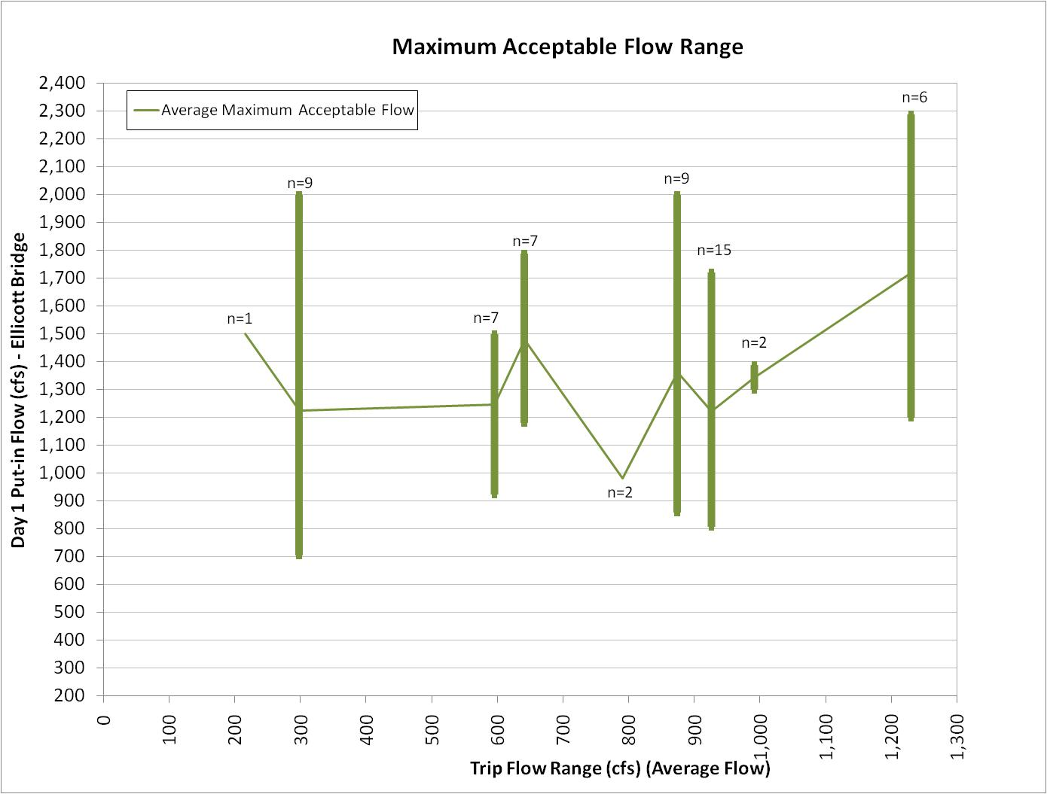
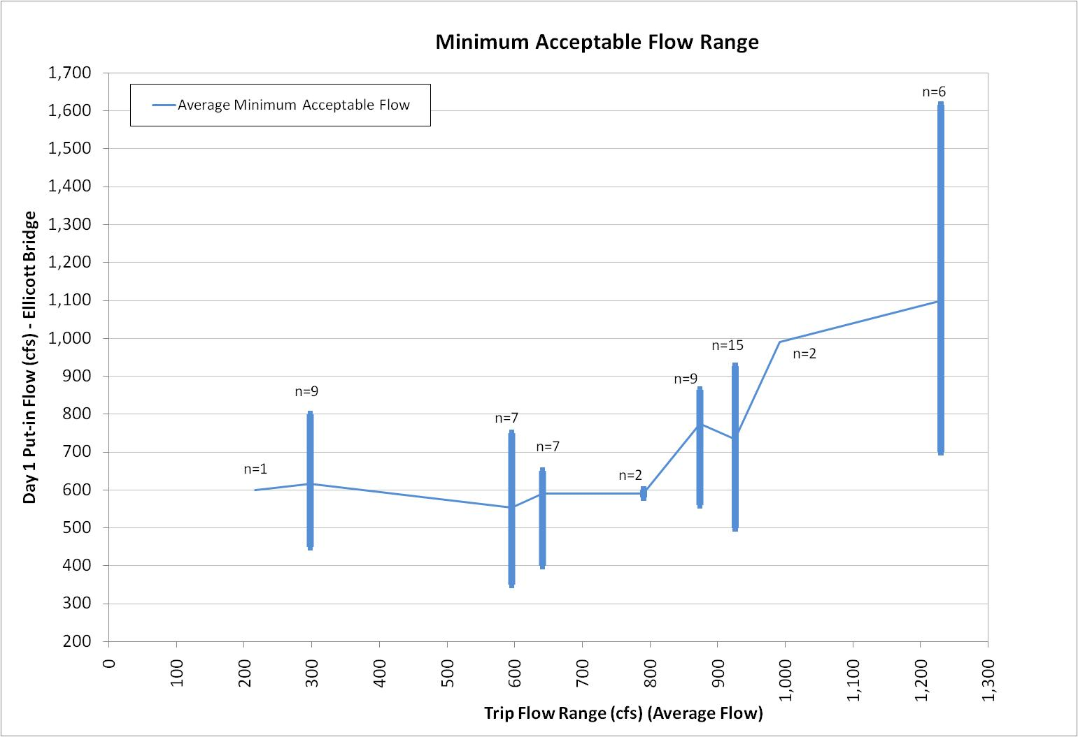
Minimum Acceptable, Optimum, and Maximum Acceptable Flow
 | Average Minimum Acceptable Flow | Average Optimum Acceptable Flow | Average Maximum Acceptable Flow
216 | 600 | 1000 | 1500
298 | 616 | 923 | 1224
595.5 | 553 | 811 | 1248
641 | 590 | 871 | 1478
790.5 | 590 | 740 | 983
874 | 775 | 854 | 1364
926 | 735 | 923 | 1223
991.5 | 990 | 895 | 1345
1230 | 1100 | 1211 | 1721
Minimum Acceptable Flow Range
 | Average Minimum Acceptable Flow
216 | 600
298 | 616
595.5 | 553
641 | 590
790.5 | 590
874 | 775
926 | 735
991.5 | 990
1230 | 1100
Optimum Acceptable Flow Range
Maximum Acceptable Flow Range
Estimated Minimum , Optimal, and Maximum Acceptable Flow

Average Flow Range |  |  | Average Minimum Acceptable Flow | Average Optimum Acceptable Flow | Average Maximum Acceptable Flow |  |  | n values
216 | 216 cfs (n=1) |  | 600 | 1000 | 1500 |  |  | n=1
298 | 291-305 cfs (n=9) |  | 616 | 923 | 1224 |  |  | n=9
595.5 | 575-616 cfs (n=7) |  | 553 | 811 | 1248 |  |  | n=7
641 | 634-648 cfs (n=7) |  | 590 | 871 | 1478 |  |  | n=7
790.5 | 783-798 cfs (n=2) |  | 590 | 740 | 983 |  |  | n=2
874 | 860-888 cfs (n=9) |  | 775 | 854 | 1364 |  |  | n=9
926 | 907-945 cfs (n=15) |  | 735 | 923 | 1223 |  |  | n=15
991.5 | 989-994 cfs (n=2) |  | 990 | 895 | 1345 |  |  | n=2
1230 | 1044-1416 cfs (n=6) |  | 1100 | 1211 | 1721 |  |  | n=6

Estimated Minimum Acceptable Flow
 |  | Average Value | Minimum Value | Maximum Value |  | Minimum Value | Maximum Value
216 cfs |  | 600 | 600 | 600 |  | 0 | 0
291-305 cfs |  | 616 | 450 | 800 |  | 166 | 184
575-616 cfs |  | 553 | 350 | 750 |  | 203 | 197
634-648 cfs |  | 590 | 400 | 650 |  | 190 | 60
783-798 cfs |  | 590 | 580 | 600 |  | 10 | 10
860-888 cfs |  | 775 | 560 | 865 |  | 215 | 90
907-945 cfs |  | 735 | 500 | 926 |  | 235 | 191
989-994 cfs |  | 990 | 990 | 990 |  | 0 | 0
1044-1416 cfs |  | 1100 | 700 | 1616 |  | 400 | 516

Estimated Optimum Flow
Trip Flow Range |  | Average Value | Minimum Value | Maximum Value |  | Minimum Value | Maximum Value
216 cfs |  | 1000 | 1000 | 1000 |  | 0 | 0
291-305 cfs |  | 923 | 800 | 1000 |  | 123 | 77
575-616 cfs |  | 811 | 700 | 900 |  | 111 | 89
634-648 cfs |  | 871 | 700 | 1000 |  | 171 | 129
783-798 cfs |  | 740 | 680 | 800 |  | 60 | 60
860-888 cfs |  | 854 | 800 | 865 |  | 54 | 11
907-945 cfs |  | 923 | 800 | 1026 |  | 123 | 103
989-994 cfs |  | 895 | 800 | 990 |  | 95 | 95
1044-1416 cfs |  | 1211 | 950 | 1616 |  | 261 | 405

Estimated Maximum Acceptable Flow
 |  | Average Value | Minimum Value | Maximum Value |  | Minimum Value | Maximum Value
216 cfs |  | 1500 | 1500 | 1500 |  | 0 | 0
291-305 cfs |  | 1224 | 705 | 2000 |  | 519 | 776
575-616 cfs |  | 1248 | 925 | 1500 |  | 323 | 252
634-648 cfs |  | 1438 | 1140 | 1750 |  | 298 | 312
783-798 cfs |  | 983 | 983 | 983 |  | 0 | 0
860-888 cfs |  | 1364 | 860 | 2000 |  | 504 | 636
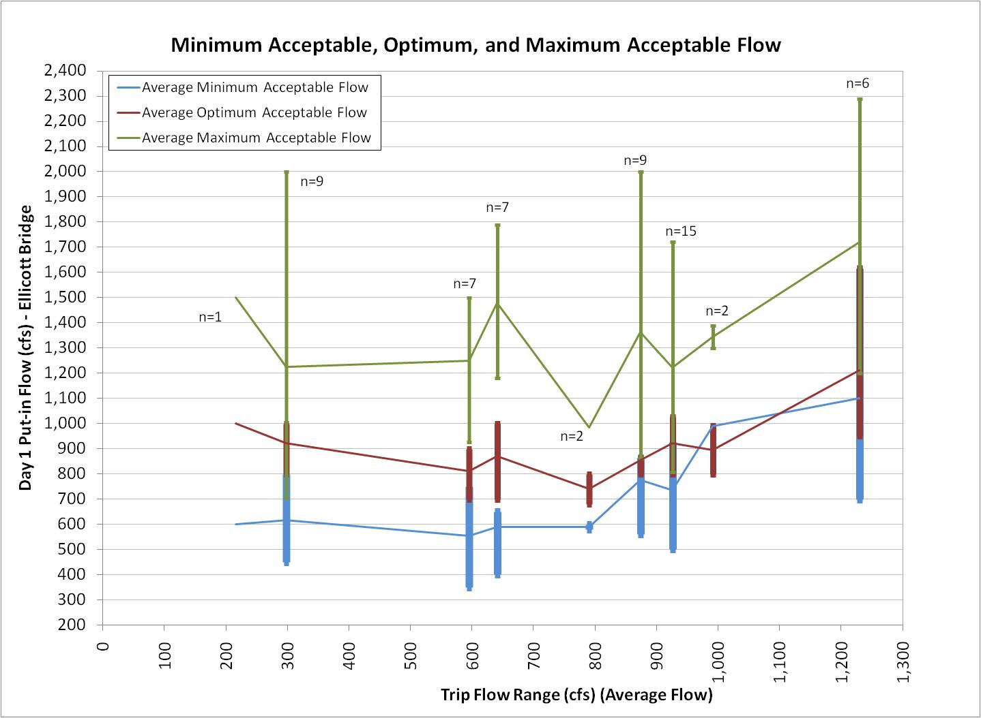
907-945 cfs |  | 1223 | 807 | 1721 |  | 416 | 498
989-994 cfs |  | 1345 | 1300 | 1389 |  | 45 | 44
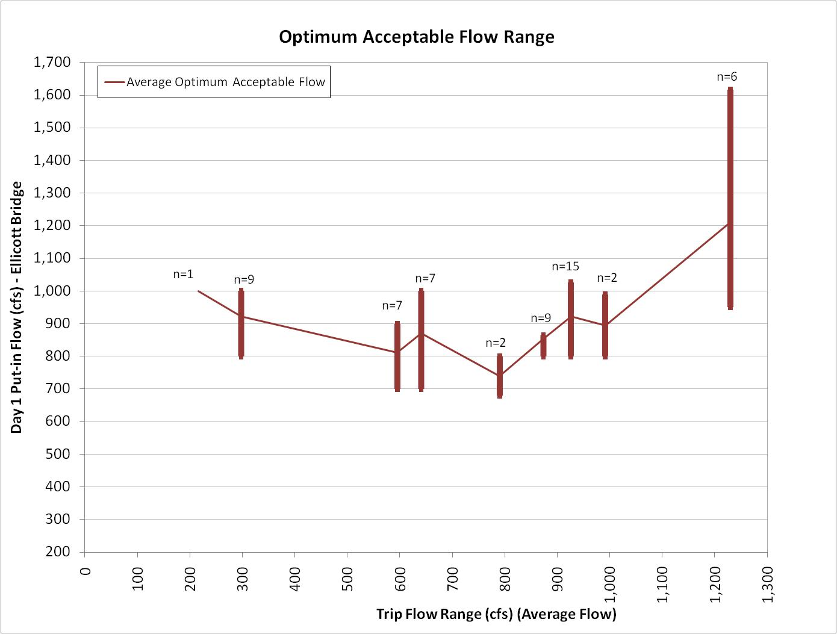
1044-1416 cfs |  | 1721 | 1200 | 2290 |  | 521 | 569

